Composite barrel vault
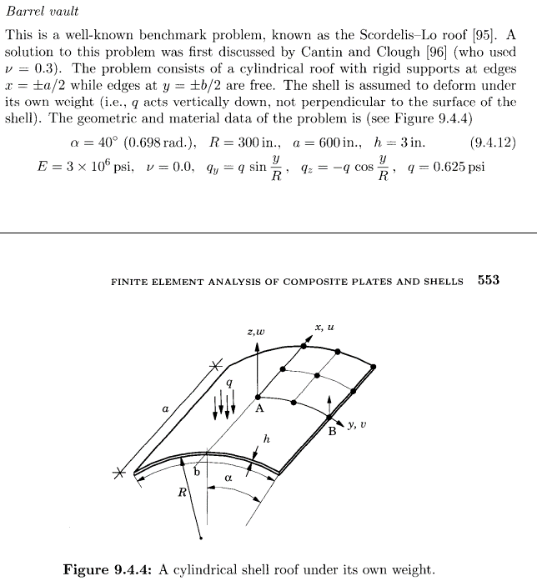
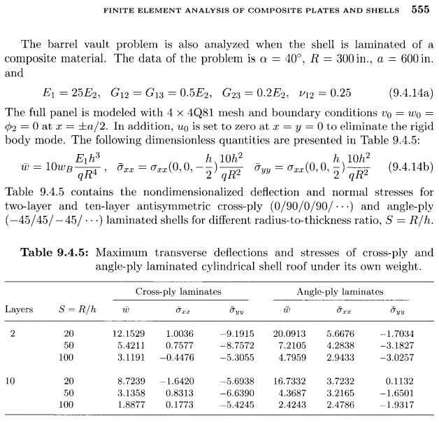
 |  |  |  |  |  |  |  |  |  |  |  |  | WORKING
 |  |  |  |  |  |  |  |  |  |  |  |  | R | 300 |  | q | 0.625
 |  |  |  |  |  |  |  |  |  |  |  |  | S | 20
 |  |  |  |  |  |  |  |  |  |  |  |  | h | 15 |  | factor | 0.04
 |  |  |  |  |  |  |  |  |  |  |  |  | Layers | 10

 |  |  |  |  |  |  |  |  |  |  |  |  | Thickness | E1 | E2 | V12 | G12 | G13 | G23
 |  |  |  |  |  |  |  |  |  |  |  |  | 1.500 | 3.00E+06 | 1.20E+05 | 0.25 | 6.00E+04 | 6.00E+04 | 2.40E+04

 |  |  |  |  |  |  |  |  |  |  |  |  | thick | angle | density | E1 | E2 | V12 | G12 | G13 | G23
 |  |  |  |  |  |  |  |  |  |  |  |  | 1.500 | 0 | 7850 | 3.00E+06 | 1.20E+05 | 2.50E-01 | 6.00E+04 | 6.00E+04 | 2.40E+04

 |  |  |  |  |  |  |  |  |  |  |  |  | SIGMA_XX_HAT |  | 0.7577
 |  |  |  |  |  |  |  |  |  |  |  |  | SIGMA_XX |  | 18.9425

 |  |  |  |  |  |  |  |  |  |  |  |  | Sigma YY hat |  | -8.7572
 |  |  |  |  |  |  |  |  |  |  |  |  | Sigma YY |  | -218.93

R | 300
q | 0.625
E1 | 3.00E+06

 |  |  | Cross ply laminates [0/90/0/90….] |  |  |  |  |  |  | Angle ply laminates [-45/45/-45/45/…]
Layers | S | Total thickness | Thin quad 2PLY | thick tri 2PLY | Ref 2PLY | ThinQuad | ThickTri | Ref | Total thickness | Thin quad 2PLY | thick tri 2PLY | Ref 2PLY | ThinQuad | ThickTri | Ref
2 | 20 | 15 | -0.68 | -0.61 | -0.61 | 112.68% | 100.92% | 100.00% | 15 | -0.90 | -0.93 | -1.00 | 89.87% | 92.63% | 100.00%
 | 50 | 6 | -4.40 | -4.32 | -4.24 | 103.80% | 102.03% | 100.00% | 6 | -5.34 | -5.39 | -5.63 | 94.81% | 95.66% | 100.00%
 | 100 | 3 | -20.00 | -19.55 | -19.49 | 102.60% | 100.28% | 100.00% | 3 | -29.16 | -27.67 | -29.97 | 97.27% | 92.32% | 100.00%
 |  |  | Cross ply laminates [0/90/0/90….] |  |  |  |  |  | 0 | Angle ply laminates [-45/45/-45/45/…]
Layers | S | Total thickness | Thin quad 10PLY | thick tri 10PLY | Ref 10PLY | ThinQuad | ThickTri | Ref | Total thickness | Thin quad 10PLY | thick tri 10PLY | Ref 10PLY | ThinQuad | ThickTri | Ref
10 | 20 | 15 | -0.44 | -0.43 | -0.44 | 101.42% | 99.12% | 100.00% | 15 | -0.74 | -0.77 | -0.84 | 88.43% | 91.74% | 100.00%
 | 50 | 6 | -2.47 | -2.44 | -2.45 | 100.75% | 99.75% | 100.00% | 6 | -3.17 | -3.34 | -3.41 | 92.85% | 97.88% | 100.00%
 | 100 | 3 | -11.90 | -11.70 | -11.80 | 100.83% | 99.17% | 100.00% | 3 | -14.51 | -15.27 | -15.15 | 95.74% | 100.79% | 100.00%
Cross ply laminates [0/90/0/90….]
Cross ply laminates [0/90/0/90….]
```

Angle ply laminates [-45/45/-45/45/…]
Angle ply laminates [-45/45/-45/45/…]

